Macuncu
Macuncu: Macun is a traditional Ottoman desert. Traditionally it is sold on streets, in a hand truck. Dealer usually wears an Ottoman costume to attract tourists.

*Each hand truck has only one macun plate.
** Only 3 different flavors (orange, strawberry, coconut) are available.

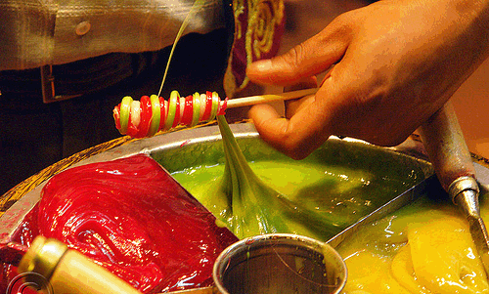
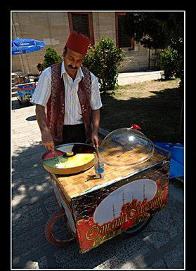

 |  | 4.4
Price (per stick) | 3.00

Costs: |  | Fixed | Variable
Leasing of Macuncu Hand Truck (Monthly) | 210.00
Cost of gum per stick | 0.08
Cost of spices per stick | 0.12
Leasing of Ottoman Costume (Monthly) | 70.00
Cost of orange per stick | 0.05
Cost of strawberry per stick | 0.20
Leasing of Macun Plate (Monthly) | 20.00
Cost of coconut per stick | 0.17
Cost of each stick | 0.08
 | Totals:
Shortcut:
Contribution Margin |  | TL
Monthly Break-Even Point |  | sticks

OzU Store
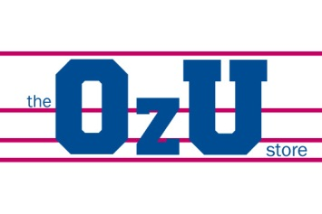

 |  |  | *Assuming that all produced goods are sold.

Products: | Price | Variable Cost | Unit Sales | Contribution Margin | Revenue | % of Revenue | Total Production Cost
Sweatshirt | 80.00 | 40.00 | 800.00
T-shirt | 30.00 | 12.50 | 600.00
Mug | 15.00 | 7.00 | 500.00
Car Sticker | 5.00 | 2.00 | 250.00
Key Chain | 5.00 | 3.00 | 300.00

 |  | Revenue
 |  | Overhead | 15,000.00
 |  | Total Cost
 |  | Profit

